card list template
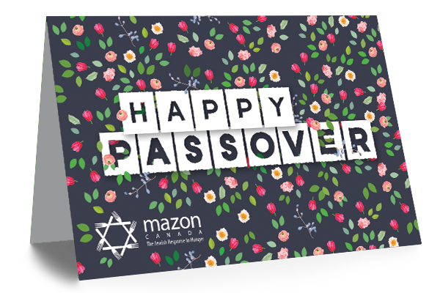 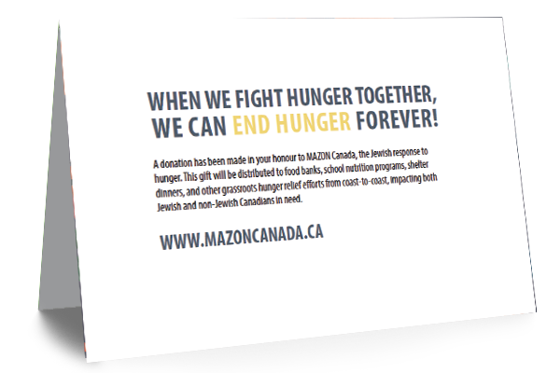 Preview of the Passover card design above | Preview of the inside of the card.
MAZON CANADA PASSOVER CARD ORDER FORM 2021 |  | RECIPIENTS | Recipient's full name | Message addressed to | Street Address: | City: | Province/State: | Country: | Postal Code:
 |  | Example | David Stern | Dear David, | 123 Happy Street | Toronto | ON | Canada | M4C1L5
Your Full Name: |  | Example | Flora Rose | Dear Bubbe, | 456 New Road | New York City | NY | USA | 987654
Address: |  | Card Recipient 1
City: |  | Card Recipient 2
Province/Territory: |  | Card Recipient 3
Postal Code |  | Card Recipient 4
Your Phone Number: |  | Card Recipient 5
Your Email Address: |  | Card Recipient 6
Your pledged donation: | 0 | Card Recipient 7
 |  | Card Recipient 8
Make your gift through our website at the link below: |  | Card Recipient 9
 |  | Card Recipient 10
 |  | Card Recipient 11
https://mazoncanada.akaraisin.com/ui/passover/donations/start?it=1&amt=54 |  | Card Recipient 12
Or we can process your gift over the phone: |  | Card Recipient 13
(416) 783-7554 • 1-866-629-6622 |  | Card Recipient 14
 |  | Card Recipient 15
Your message on the cards: | Example: Chag Sam'each and Happy Passover! Wishing you all the best this holiday season and all year round. By the way, check out Mazon's website - proud to support them. With love, Sammy and Helen | Card Recipient 16
(Please keep to 50 words or less) |  | Card Recipient 17
 |  | Card Recipient 18
 |  | Card Recipient 19
 |  | Card Recipient 20
 |  | Add more recipients if you need them!

Thank you for feeding the hungry through MAZON Canada! Your gift has critical impact on people in need. Check out how many meals can be served with the amount you pledged above:

Your Auto-calculated impact: | 0 meals for people in need!
(Automatically calculated based on your pledge)

